Background
Dermbids
This is the requirements specification for Dermbids.
Collecting 3 bits of data:
- Name
- Photo
- ZIP
- Email

Patient submits the request form via Dermbids website.
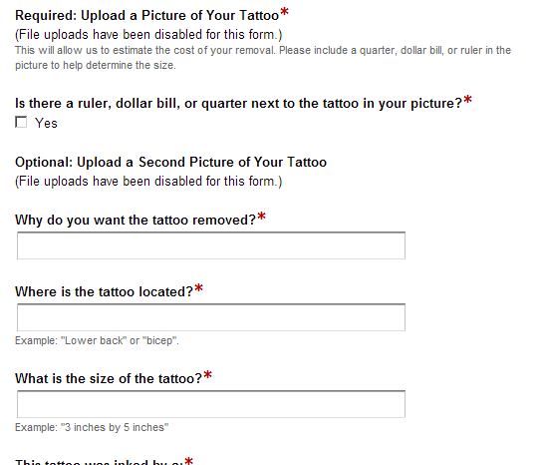
Admin reviews all new service requests and forwards them to appropriate dermatology clinics.
Dermatologist receives email notification that a new request has been received. Logs in. Selects how to handle request.

Patient sees a list of quotes from various dermatology clinics.
Admin reviews request responses from dermatologists and sends the completed quotes back to the patient.

Patient
Dermbids Administrator
Dermatologist

Issues:
What kind of protections do we need on patient data? Is a token authentication adequate? YES, will use token as authentication. Token can expire after so long.
What triggers occur which will allow the dermatologist to see the full patient information?
What sort of timing will take place when the admin reviews the requests from dermatologists? What state should the service requests look like? TDB

Story 1: Patient submits form
Step 1:
Patient clicks a "Get Estimates" link
Step 2: Patient fills out request form via Formstack
Step 3: Data is captured into Dermbids PostgreSQL db via Formstack webhook call. A notification email is then sent to the patient that the request was received, Dermbids administrator receives email that a request was submitted and needs attention.

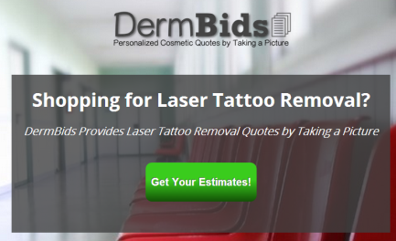
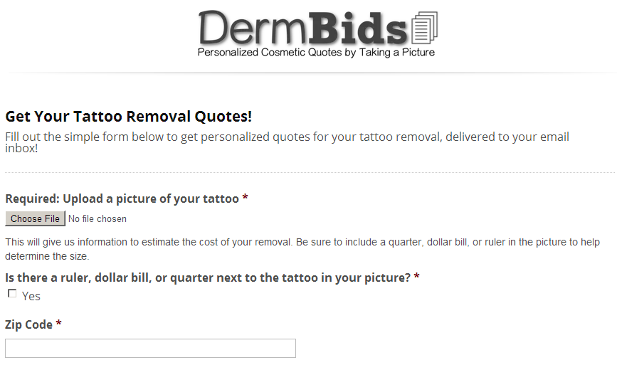

Story 2: Dermbids admin reviews requests and sends to dermatologists
Step 1:
Dermbids admin logs into website via
the authentication token provided
in the email link. The link will also bring
up the specific quote under review.

Step 2: Dermbids admin selects where to forward the requests from lists and clicks a "submit' button.
Step 3: The request forwarding is recorded in the Dermbids db. Notification email is sent to the dermatologist for review. The request then will move to the "in process" items box on the dermbids admin panel.

Story 3: Dermatologist responds to request for a quote. This will not yet be implemented in the current iteration.
Step 1:
Dermatologist receives email with the
patient's request information. They
click whichever option they want to respond.
Scenario 1:
Responds with a quote
Scenario 2:
Declines to quote [problem could
occur here in that the dermatologist
may get lazy and just decide not to
respond (scenario 3) rather than
send a negative reply]
Scenario 3:
Does not respond in the appropriate
time frame.
Scenario 4:
Requests more information to continue

Step 2: The response is recorded in the dermbids db. One of the following will happen based on the action taken:

States that a quote request could be in:
1. New - the request was just submitted and needs to be reviewed
2. Active - the request is in processing, awaiting the feedback necessary to complete a quote
3. Archived - the quote requests have been sent

Feature Matrix
Feature Name | Story | Notes | RESTful Link | Req Parameters

Administrator Dashboard
View list of new quote requests | As an admin, I want to see a list of recently submitted quote requests so that I can forward them to the appropriate dermatology clinics for a quote and follow up with a response. When I click on a particular new request, it will take me to the quote request detail page. | What's the best way of communicating with the patient if a dermatologist requests more information? | GET /admin/quote_requests
View list of archived quote requests | As an admin, I want to see a list of archived quote requests so that I can click on a particular request and see the history of that request. A request becomes archived when the quotes from providers are sent to the customer. |  | GET /admin/quote_requests/history
View quote request detail | As an admin, I want to view the patient's photograph and information, and below I will have a selection box which allows me to select clinics within the patient's ZIP code, or immediately respond that we do not have any clinics available in the area. This view should also allow me to see the responses from dermatologists who have provided quotes or declined (see "View history of a quote request"). For quote requests that have already been forwarded to the providers, a new button will appear to mark the request as closed. |  | GET /admin/quote_request/:id
View history of a quote request | As an admin, I want to see the dialog that has occurred between Dermbids and the dermatologists. i.e.) any requests/responses for more information, and the quote/rejection history of the given request. This information will be available on the "View quote request detail" page if you scroll down. |  | GET /admin/quote_request/:id

Dermatologist Dashboard
View list of new quote requests | As a dermatologist, I want to see a list of my new quote requests so that I can respond with a quote. Each request listing will include the First Name, Last Initial, ZIP code, and Date of each request. | 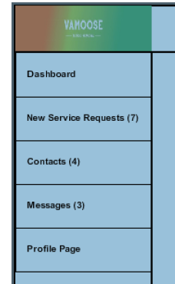 From the provider's point of view, I need clarification on how the dashboard differs from the 'New quote requests' link on the menu | GET /provider/requests
Accept or reject a quote request | As a dermatologist viewing the list of new quote requests, I will have two options for each request: "Quote" and "Reject". If I select quote, I will be shown a new form which will allow me to enter a price per session and package discount. If I select reject, I will select a reject reason. | Should we have three options instead? Quote, Reject, and Request More Details?
Contacts | As a dermatologist, I want to view a list of patients for which I've accepted quotes. | Maybe a better idea would be to have a menu item labeled "Past quote requests"?
View history of a quote request | As a dermatologist, I want to see the dialog that has occurred between me and Dermbids. i.e.) any requests/responses for more information, and the quote/rejection history of the given request
Navigation Menu | As a dermatologist, I will have a navigational menu which will allow me to access features available through the Dermbids website. These include: New quote requests, Contacts, Messages, and my Profile Details. For messages and new quote requests, the text will appear bold and a number enclosed in parentheses will let me know how many new requests I have waiting that need a response.
Photograph Scrolling Interface | 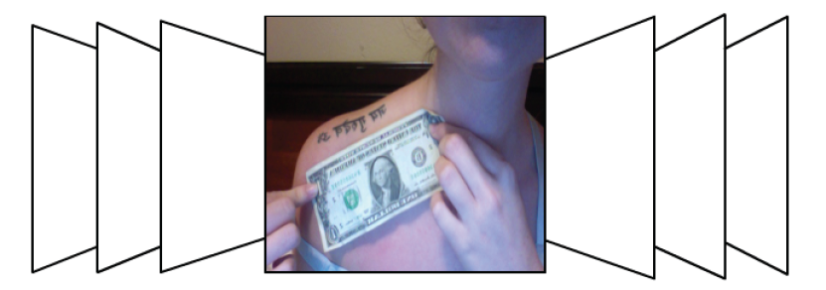 As a dermatologist, I want to scroll through a list of quote requests via a carousel of photographs. | This could be tricky to set up because it will involve heavy Jquery and possibly AJAX. In the interest of time and practicality, I recommend starting with a simple list which includes a thumbnail.

Patient Dashboard
View requests submitted | As a patient, I will be able to view a summary of my request and quotes received from nearby dermatology clinics. I will receive a notification email and link to access the website when the quotes are ready. | What kind of authentication system should be in place to protect patient data? | GET /patient/quote_requests | auth_token or to be logged in
Submit request | As a patient, I want to submit information to Dermbids about my tattoo removal issue so that I can receive quotes from nearby dermatology clinics. | The actual form and image submitted will be hosted by Formstack. | POST /patient/quote_requests

Other Features
Autocreate new patient account | As a patient, my account with Dermbids will automatically be created when I submit a new request. If I submitted a previous request, my account will be identified and referenced by my email address.
Associate new quote requests with a patient account | When I submit a new quote request, my email will be used to associate the request with a user account for internal reference.

